Basic User Tests (obsolete, del
 |  |  |  |  |  | Open-Source Ventilator Tests (Validation/Clinician Tests)
 | Draft v0.1 - March 25th
 | By Public Invention, in cooperation with BreathOfLife and Jonathan Orban
 | Licensed under CC0; consider a template to copy and extend
 | Copyright Robert L. Read, Juan E Villacres Perez, Jonathan Orban and others 2020
 | Note: primary source is UK Rapid Manufactered Ventilator System (1)
 | Primary Point of Contact: Robert L. Read, PhD <read.robert@gmail.com>
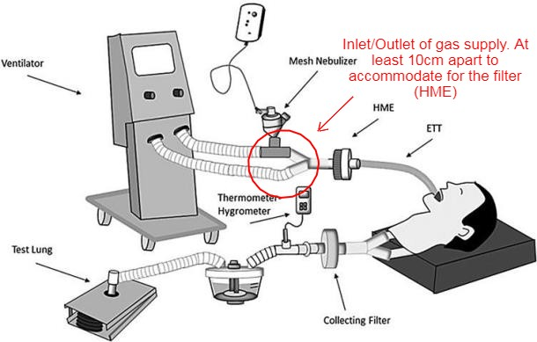

 | Note: All tests may be performed with an engineer acting as CLI (clinician) as initial tests. However, usability requires using person unfamiliar with machine as CLI.
 | Note: Some tests can be partially performed on mock/stub machine to test usability
 | Note: Although informed by ref(1), this test is for BreathOfLife and assumes Volume Control as mode of operation

 | Test Cases
 | Abbreviations: |  |  | CLI = Clinician (Doctor, nurse, respiratory therapist) | DTIDVOL = Default Tidal Volume | DRATE = Default Respiration Rate | DFiO2 = Default Fraction of Inspired Oxygen |  | DIERATIO = Default Inspiration / Expiration Ratio
Connection Tests |  |  |  | V = Ventilator | rpm = respirations per minute | IA = Inspiratory airway | Vt = Tidal Volume |  | ETT = Endotracheal tube
 | Assumptions for this Suite: |  |  | Training has occured
Number | Name | Necessity | Standard | Description | Verification Method | Expected Result | Tolerance | Test Result | Test Status | Tester Id | Test Date | Device ID
1 | CON1 | Mandatory | RMVS | Electrical connection | Instruct CLI to connect system to ventilator | They can in 15 seconds | < 60 seconds
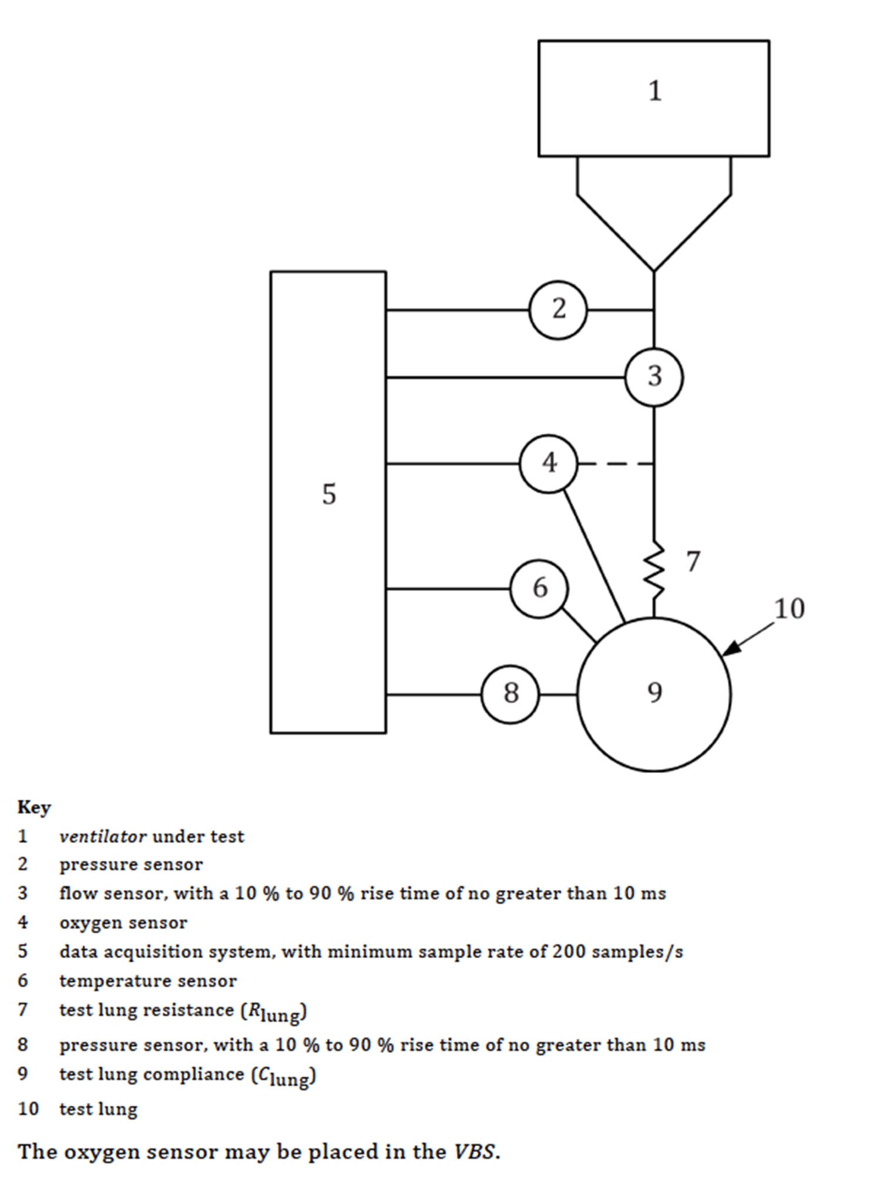
2 | CON2 | Mandatory |  | Oxygen connection | Instruct CLI to connect O2 supply to ventilator | They can in 60 seconds | < 90 seconds
3 | CON3 | Optional |  | Replace Batteries | Instruct CLI to replace batteries | They can in 5 minutes | < 10 minutes
4 | CON4 | Mandatory |  | ETT connection | Instruct CLI to connect ETT (in-situ) to ventilator | They can in 45 seconds | < 60 seconds
5 | CON5 | Mandatory |  | Humidifier connection | Instruct CLI to connect humidifier to ventilator | They can in 60 seconds | 90 seconds
6 | CON6 | Mandatory |  | Inlet and outlet separated by 10cm | Meaure distance. | At least 10 cm | none
7 | CON7 | Mandatory |  | Male inlet and outlet ports provide clearance | Check inlet and outputs clear in 5cm circle from center | At least 5cm circle | none

Startup
 | Assumptions for this Suite: |  |  | Training has occured
Number | Name |  |  | Description | Verification Method | Expected Result | Tolerance | Test Result | Test Status | Tester Id | Test Date | Device ID
1 | SUP1 |  |  | CLI can tell if powered | Instruct CLI to plug in, ask CLI if it is powered. Instruct to plug into unconnected extension cord. Ask CLI if powered. | CLI correctly can tell if powered.
2 | SUP2 |  |  | Mandatory Mode on Power-Up | On initial power-up, system enters mandatory mode and begins working | Mandatory mode operating with respiration rate = DRATE and volume = DVOL and
3 | SUP3 |  |  | Volume Control begins correct | < 90 seconds | CLI answere 400 ml and V produced 400ml | 20ml?
4 | SUP4 |  |  | Respiration Rate Standard | On power-up, check respiration rate, measure total respirations per minute | Respiration rate = DRATE, or persistent Respiration Rate, or match control setting if tied to knobs | 1 rpm?
5 | SUP5 |  |  | I:E ratio corrects | On power-up estimate inspiration and expiration absolute times in tenths of seconds (w/ stopwatch), comptue I:E ratio | I:E ratio = DIERATIO, or remebered setting, or physical setting | 10%
6 | SUP6 |  |  | Mode | On power-up, in mandatory mode, or persistent mode if that is a feature | Yes | none
7 | SUP7 | Mandatory | RMVS | CLI can locate instruction label | Instruct CLI to locate and inspect instruction label | CLI can correctly locate and read the instruction label in 20 seconds | 30 seconds

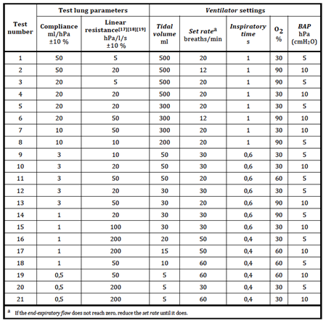
Inspiratory Airway Pressure (Volume Control Mode)
 | Assumptions for this Suite: |  |  | Training has occured
Number | Name |  |  | Description | Verification Method | Expected Result | Tolerance | Test Result | Test Status | Tester Id | Test Date | Device ID
1 | INSP1 |  |  | IA Pressure limit functions | Ask CLI to adjust IA pressure to 40 cm H2O | After 120 seconds, IA pressure at most 40cmH20 | 2 cm H2O
2 | INSP2 |  |  | IA Pressure adjustable | Ask CLI to adjust IA pressure to 15, 20, 25, 30, 35 cmH2O | After each reset, IA pressure limited got configuration (test pressure 60 seconds)
3 | INSP3 |  |  | IA Failsafe | Cough, blow, or increase pressure by striking bag representing patient | Observe that failsafe valve opens and that pressure does not exceed 80 cm H2O | 4 cm H2O?
3 | INSP4 |  |  | IA Failsafe, machine cycle | Repeat INSP3 on various machine extreme rate and volume settings | Observe that failsafe valve opens and that pressure does not exceed 80 cm H2O | 4 cm H2O?

PEEP | (PEEP may be implement by separate external valve. Consider separate part to be part of V for purpose of test)
 | Assumptions for this Suite: |  |  | Training has occured
Number | Name |  |  | Description | Verification Method | Expected Result | Tolerance | Test Result | Test Status | Tester Id | Test Date | Device ID
1 | PEEP1 |  |  | PEEP is understandable | Ask CLI to explain how to adjust PEEP | They correctly explain
2 | PEEP2 |  |  | LOW PEEP | Ask CLI to adjust PEEP to 5cmH2O | Within 120 seconds, pressure in airway never drops below 5cmH20 | 1 cmH2O?
3 | PEEP3 |  |  | Incremental PEEP | Ask CLI To adjust PEEP to 10, 15, and 20 cmH2O | Within 120 seconds, pressure in airway never drops below 5cmH20 | 1 cmH2O?

Respiration Rate
 | Assumptions for this Suite: |  |  | Training has occured
Number | Name |  |  | Description | Verification Method | Expected Result | Tolerance | Test Result | Test Status | Tester Id | Test Date | Device ID
1 | RAT1 |  |  | Rate | Measure respirations per minute | Matches DRATE, persistent rate, or physical knobs | 1 rpm
2 | RAT2 |  |  | Up to 30 rpm | Ask CLI to configure machine for 30 rpm. When they are done, measure rpms. | Within 60 seconds, CLI can configure machine to 30 rpm, and V so performs. | 2 rpm
3 | RAT3 |  |  | Down to 10 rpm | Ask CLI to configure machine for 10 rpm. When they are done, measure rpms. | Within 60 seconds, CLI can configure machine to 10 rpm, and V so performs. | 2 rpm
4 | RAT4 |  |  | Increments | Ask CLI to configure machine to 22 rpm. When they are done, measure rpms. | Within 120 seconds, CLI can configure machine to 22 rpm, and V so performs. | 2 rpm

Tidal Volume
 | Assumptions for this Suite: |  |  | Training has occured
Number | Name |  |  | Description | Verification Method | Expected Result | Tolerance | Test Result | Test Status | Tester Id | Test Date | Device ID
1 | TID1 |  |  | 400ml Vt functions | Ask CLI to configure machine to 400ml Tidal Volume (if only setting for machine, ask them to state.) When so set, measure with professional plastic test lung. Observe rise of lunch (measured in mm) to match that of forcing 400ml into lung via syringe or other precise method.) | 400ml | 10ml
2 | TID2 |  |  | Optional 350 and 450ml setting | Ask CLI to configure machine to 350ml and 450ml Tidal Volume (if only setting for machine, ask them to state.) When so set, measure with professional plastic test lung. Observe rise of lunch (measured in mm) to match that of forcing 400ml into lung via syringe or other precise method.) | 350ml and 450ml | 10ml
3 | TID3 |  |  | Optional 250 and 600ml range | Ask CLI to configure machine to extremes of range 250ml and 600ml Tidal Volume (if only setting for machine, ask them to state.) When so set, measure with professional plastic test lung. Observe rise of lunch (measured in mm) to match that of forcing 400ml into lung via syringe or other precise method.) | 250ml and 600ml | 10ml
4 | TID4 |  |  | Highly Optional 800ml | Ask CLI to configure machine to extremes of range 800ml Tidal Volume (if only setting for machine, ask them to state.) When so set, measure with professional plastic test lung. Observe rise of lunch (measured in mm) to match that of forcing 400ml into lung via syringe or other precise method.) | 800ml | 10ml

Infection Control
 | Assumptions for this Suite: |  |  | Training has occured
Number | Name |  |  | Description | Verification Method | Expected Result | Tolerance | Test Result | Test Status | Tester Id | Test Date | Device ID
1 | INFC1 |  |  | Device can be fully implemented while wearing PPE | Ask CLI to fully connect the system, turn it on, and verify functio | CLI can successfuly execute CON1-7 and SUP1-6 while wearing full PPE including hood
2 | INFC2 |  |  | Parts can be changed/disposed | Ask CLI to change ETT | Within 30 seconds, CLI can remove ETT, dispose of it in appropriate biohazard, and replace it
3 | INFC3 |  |  | Surfaces can be cleaned | Ask CLI to disinfect external surfaces | Within 60 seconds, CLI can disinfect external parts of device
4 | INFC4 |  |  | Seal from aerosol droplets
5 | INFC5

Monitoring
 | Assumptions for this Suite: |  |  | Training has occured
Number | Name |  |  | Description | Verification Method | Expected Result | Tolerance | Test Result | Test Status | Tester Id | Test Date | Device ID
1 | MON1 |  |  | Vt verified | Ask CLI to verify Vt | Within 5 seconds, CLI can report ser and actual Vt from monitor
2 | MON2 |  |  | PEEP verified | Ask CLI to verify PEEP | Within 5 seconds, CLI can report set and achieved PEEP from monitor
3 | MON3 |  |  | DFiO2 verified | Ask CLI to verify DFiO2 | Within 5 seconds, CLI can report set and achieved FiO2 from monitor
4 | MON4 |  |  | Breathing rate verified | Ask CLI to verify breathing rate | Within 5 seconds, CLI can report patient breathing rate
5 | MON5 |  |  | Plateau pressure verified | Ask CLI to verify plateau pressure | Within 5 seconds, CLI can report plateau pressure
6 | MON6 |  |  | CO2 verified | Ask CLI to verify CO2 | Within 5 seconds, CLI can report patient expiratory CO2

Alarm
 | Assumptions for this Suite: |  |  | Training has occured
Number | Name |  |  | Description | Verification Method | Expected Result | Tolerance | Test Result | Test Status | Tester Id | Test Date | Device ID
1 | ALA1 |  |  | Device power failure | Instruct CLI to cut power to the device without proper shut off protocol | Alarm is immediately set off
2 | ALA2 |  |  | Pressure limit exceeded | Instruct CLI to forcibly add pressure exceeding 40cm H20 | Alarm is set off after 3 seconds | 2 seconds
3 | ALA3 |  |  | Oxygen supply failure | Instruct CLI to reduce oxygen flow SpO2<90% | Alarm is set off after 5 seconds | 5 seconds
4 | ALA4 |  |  | Air flow stops | Instruct CLI to block ETT | Alarm is set off after 3 seconds | 2 seconds
5 | ALA5 |  |  | Hypercapnia
6 | ALA6 |  |  | PEEP failure | Instruct CLI to set PEEP and unplug ETT at end of exhalation cycle | Alarm is set off after 2 seconds | 1 second
7 | ALA7 |  |  | IA pressure failure | Instruct CLI to set IA pressure and unplug ETT during inspiration cycle | Alarm is set off after 2 seconds | 1 second

